Daily Power Station Chart_14-01
Plant_22/01/2025Chart

Plant:odco1 |  |  | Installed Capacity:111.180kWp
Today Yield(kWh):493.200kWh |  | Today Earning:197280.000TND |  | Today Full Load Hours(h):4.44h

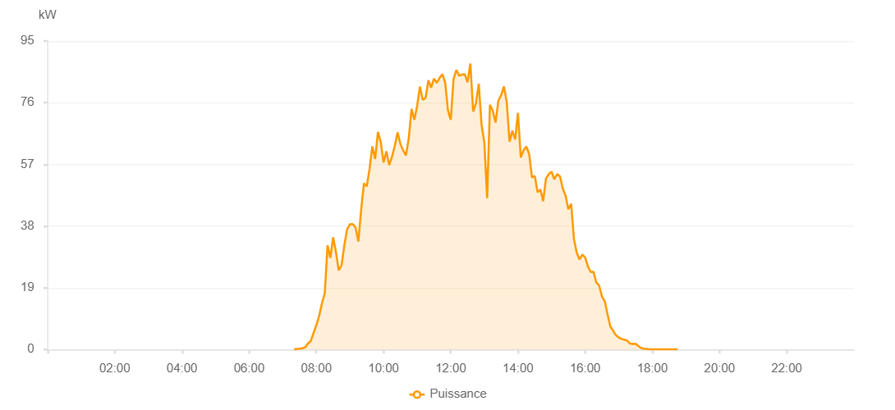

Number | Time | Working State | PV(W) | Instantaneous Radiation(W/㎡)
1 | 07:20:00 | Online | 20.00000 | 0
2 | 07:25:00 | Online | 190.00000 | 0
3 | 07:30:00 | Online | 260.00000 | 2.00000
4 | 07:35:00 | Online | 390.00000 | 3.00000
5 | 07:40:00 | Online | 650.00000 | 6.00000
6 | 07:45:00 | Online | 1890.00000 | 14.00000
7 | 07:50:00 | Online | 2570.00000 | 20.00000
8 | 07:55:00 | Online | 5110.00000 | 35.00000
9 | 08:00:00 | Online | 7520.00000 | 81.00000
10 | 08:05:00 | Online | 10350.00000 | 105.00000
11 | 08:10:00 | Online | 14260.00000 | 176.00000
12 | 08:15:00 | Online | 17280.00000 | 288.00000
13 | 08:20:00 | Online | 32090.00000 | 320.00000
14 | 08:25:00 | Online | 28210.00000 | 359.00000
15 | 08:30:00 | Online | 34540.00000 | 398.00000
16 | 08:35:00 | Online | 30030.00000 | 353.00000
17 | 08:40:00 | Online | 24380.00000 | 320.00000
18 | 08:45:00 | Online | 25940.00000 | 326.00000
19 | 08:50:00 | Online | 32180.00000 | 380.00000
20 | 08:55:00 | Online | 37080.00000 | 385.00000
21 | 09:00:00 | Online | 38540.00000 | 529.00000
22 | 09:05:00 | Online | 38650.00000 | 449.00000
23 | 09:10:00 | Online | 37600.00000 | 384.00000
24 | 09:15:00 | Online | 33270.00000 | 337.00000
25 | 09:20:00 | Online | 43080.00000 | 288.00000
26 | 09:25:00 | Online | 51170.00000 | 410.00000
27 | 09:30:00 | Online | 50250.00000 | 504.00000
28 | 09:35:00 | Online | 55630.00000 | 530.00000
29 | 09:40:00 | Online | 62560.00000 | 548.00000
30 | 09:45:00 | Online | 58660.00000 | 597.00000
31 | 09:50:00 | Online | 66990.00000 | 583.00000
32 | 09:55:00 | Online | 63830.00000 | 585.00000
33 | 10:00:00 | Online | 57550.00000 | 480.00000
34 | 10:05:00 | Online | 61020.00000 | 491.00000
35 | 10:10:00 | Online | 56830.00000 | 480.00000
36 | 10:15:00 | Online | 59290.00000 | 507.00000
37 | 10:20:00 | Online | 62690.00000 | 570.00000
38 | 10:25:00 | Online | 66870.00000 | 593.00000
39 | 10:30:00 | Online | 63320.00000 | 578.00000
40 | 10:35:00 | Online | 61320.00000 | 586.00000
41 | 10:40:00 | Online | 59760.00000 | 578.00000
42 | 10:45:00 | Online | 65070.00000 | 578.00000
43 | 10:50:00 | Online | 74060.00000 | 655.00000
44 | 10:55:00 | Online | 70740.00000 | 674.00000
45 | 11:00:00 | Online | 75080.00000 | 645.00000
46 | 11:05:00 | Online | 80960.00000 | 622.00000
47 | 11:10:00 | Online | 76880.00000 | 763.00000
48 | 11:15:00 | Online | 77460.00000 | 799.00000
49 | 11:20:00 | Online | 82870.00000 | 769.00000
50 | 11:25:00 | Online | 80630.00000 | 734.00000
51 | 11:30:00 | Online | 83450.00000 | 717.00000
52 | 11:35:00 | Online | 82120.00000 | 773.00000
53 | 11:40:00 | Online | 83630.00000 | 835.00000
54 | 11:45:00 | Online | 84780.00000 | 756.00000
55 | 11:50:00 | Online | 82190.00000 | 721.00000
56 | 11:55:00 | Online | 73610.00000 | 749.00000
57 | 12:00:00 | Online | 70750.00000 | 689.00000
58 | 12:05:00 | Online | 83320.00000 | 671.00000
59 | 12:10:00 | Online | 86080.00000 | 778.00000
60 | 12:15:00 | Online | 84310.00000 | 784.00000
61 | 12:20:00 | Online | 84640.00000 | 841.00000
62 | 12:25:00 | Online | 84780.00000 | 810.00000
63 | 12:30:00 | Online | 82300.00000 | 852.00000
64 | 12:35:00 | Online | 88050.00000 | 806.00000
65 | 12:40:00 | Online | 73280.00000 | 727.00000
66 | 12:45:00 | Online | 75860.00000 | 769.00000
67 | 12:50:00 | Online | 81820.00000 | 617.00000
68 | 12:55:00 | Online | 69260.00000 | 765.00000
69 | 13:00:00 | Online | 63620.00000 | 520.00000
70 | 13:05:00 | Online | 46580.00000 | 573.00000
71 | 13:10:00 | Online | 75390.00000 | 651.00000
72 | 13:15:00 | Online | 73550.00000 | 813.00000
73 | 13:20:00 | Online | 69890.00000 | 776.00000
74 | 13:25:00 | Online | 76590.00000 | 781.00000
75 | 13:30:00 | Online | 78320.00000 | 699.00000
76 | 13:35:00 | Online | 81010.00000 | 735.00000
77 | 13:40:00 | Online | 76140.00000 | 774.00000
78 | 13:45:00 | Online | 63980.00000 | 700.00000
79 | 13:50:00 | Online | 67390.00000 | 616.00000
80 | 13:55:00 | Online | 64690.00000 | 633.00000
81 | 14:00:00 | Online | 72850.00000 | 673.00000
82 | 14:05:00 | Online | 59160.00000 | 658.00000
83 | 14:10:00 | Online | 61360.00000 | 590.00000
84 | 14:15:00 | Online | 62500.00000 | 593.00000
85 | 14:20:00 | Online | 60230.00000 | 520.00000
86 | 14:25:00 | Online | 53000.00000 | 500.00000
87 | 14:30:00 | Online | 53470.00000 | 521.00000
88 | 14:35:00 | Online | 48460.00000 | 483.00000
89 | 14:40:00 | Online | 49280.00000 | 469.00000
90 | 14:45:00 | Online | 45670.00000 | 455.00000
91 | 14:50:00 | Online | 52590.00000 | 472.00000
92 | 14:55:00 | Online | 54020.00000 | 529.00000
93 | 15:00:00 | Online | 54760.00000 | 593.00000
94 | 15:05:00 | Online | 52400.00000 | 498.00000
95 | 15:10:00 | Online | 54030.00000 | 499.00000
96 | 15:15:00 | Online | 53340.00000 | 494.00000
97 | 15:20:00 | Online | 49620.00000 | 487.00000
98 | 15:25:00 | Online | 47380.00000 | 454.00000
99 | 15:30:00 | Online | 43200.00000 | 334.00000
100 | 15:35:00 | Online | 44840.00000 | 354.00000
101 | 15:40:00 | Online | 34050.00000 | 351.00000
102 | 15:45:00 | Online | 29810.00000 | 360.00000
103 | 15:50:00 | Online | 27730.00000 | 313.00000
104 | 15:55:00 | Online | 29240.00000 | 313.00000
105 | 16:00:00 | Online | 28370.00000 | 309.00000
106 | 16:05:00 | Online | 25540.00000 | 277.00000
107 | 16:10:00 | Online | 23860.00000 | 140.00000
108 | 16:15:00 | Online | 23910.00000 | 70.00000
109 | 16:20:00 | Online | 20590.00000 | 69.00000
110 | 16:25:00 | Online | 19700.00000 | 63.00000
111 | 16:30:00 | Online | 16320.00000 | 59.00000
112 | 16:35:00 | Online | 14890.00000 | 55.00000
113 | 16:40:00 | Online | 10880.00000 | 51.00000
114 | 16:45:00 | Online | 7080.00000 | 45.00000
115 | 16:50:00 | Online | 5790.00000 | 41.00000
116 | 16:55:00 | Online | 4400.00000 | 38.00000
117 | 17:00:00 | Online | 3750.00000 | 33.00000
118 | 17:05:00 | Online | 3250.00000 | 29.00000
119 | 17:10:00 | Online | 3030.00000 | 26.00000
120 | 17:15:00 | Online | 2730.00000 | 21.00000
121 | 17:20:00 | Online | 1860.00000 | 17.00000
122 | 17:25:00 | Online | 1680.00000 | 12.00000
123 | 17:30:00 | Online | 1760.00000 | 10.00000
124 | 17:35:00 | Online | 1060.00000 | 9.00000
125 | 17:40:00 | Online | 480.00000 | 7.00000
126 | 17:45:00 | Online | 270.00000 | 3.00000
127 | 17:50:00 | Online | 200.00000 | 1.00000
128 | 17:55:00 | Online | 40.00000 | 0
129 | 18:00:00 | Online | 40.00000 | 0
130 | 18:05:00 | Online | 40.00000 | 0
131 | 18:10:00 | Online | 40.00000 | 0
132 | 18:15:00 | Online | 40.00000 | 0
133 | 18:20:00 | Online | 40.00000 | 0
134 | 18:25:00 | Online | 40.00000 | 0
135 | 18:30:00 | Online | 40.00000 | 0
136 | 18:35:00 | Online | 40.00000 | 0
137 | 18:40:00 | Online | 40.00000 | 0
138 | 18:45:00 | Online | 40.00000 | 0
139 | 19:10:00 | Online | 0.00001 | 0.00001

